Res_Iteracion1
Número de request | 1000
Concurrencia | 10

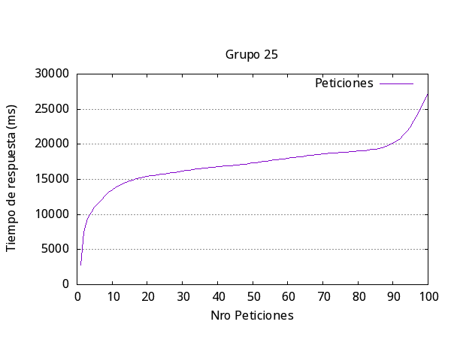
 |  | Media por solicitud | 18022ms
 |  | Solicitud mas rápida | 2787ms
 |  | Solicitud mas lenta | 27226ms
 |  | Request fallidas | 5
 |  | Request por segundo | 0.55

Res_iteracion2
Número de request | 200
Concurrencia | 20

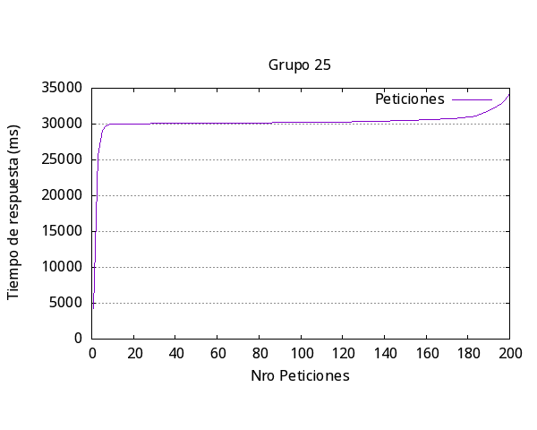
 |  | Media por solicitud | 31168ms
 |  | Solicitud mas rápida | 4222ms
 |  | Solicitud mas lenta | 34246ms
 |  | Request fallidas | 23
 |  | Request por segundo | 0.64

Res_iteracion3
Número de request | 300
Concurrencia | 15

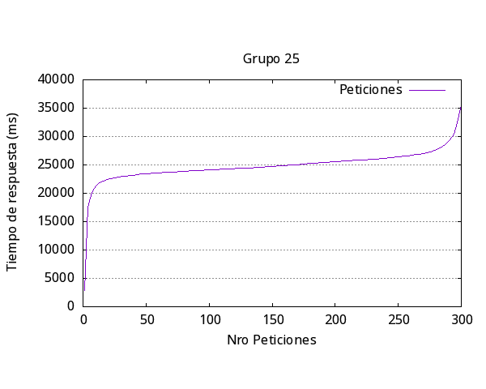
 |  | Media por solicitud | 25546ms
 |  | Solicitud mas rápida | 2904ms
 |  | Solicitud mas lenta | 35595ms
 |  | Request fallidas | 10
 |  | Request por segundo | 0.59

Res_iteracion4
Número de request | 400
Concurrencia | 20

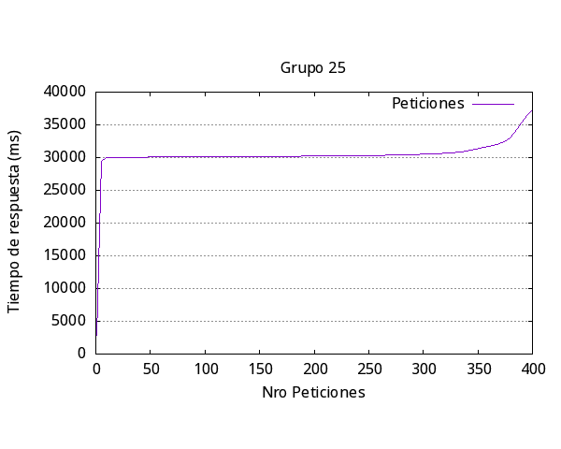
 |  | Media por solicitud | 31887ms
 |  | Solicitud mas rápida | 2871
 |  | Solicitud mas lenta | 37336ms
 |  | Request fallidas | 61
 |  | Request por segundo | 0.63

Res_iteracion5
Número de request | 200
Concurrencia | 25


 |  | Media por solicitud | 31175ms
 |  | Solicitud mas rápida | 2829
 |  | Solicitud mas lenta | 32743ms
 |  | Request fallidas | 0
 |  | Request por segundo | 0.8

general
Iteración | Media respuesta (ms) | Más Rápida (ms) | Más Lenta (ms) | Request Fallidas | Request por segundo | Número request | Concurrencia
1 | 18022 | 2787 | 27226 | 5 | 0.55 | 100 | 10
2 | 31168 | 4222 | 34246 | 23 | 0.64 | 200 | 20
3 | 25546 | 2904 | 35595 | 10 | 0.59 | 300 | 15
4 | 31887 | 2871 | 37336 | 61 | 0.63 | 400 | 29
5 | 31175 | 2829 | 32743 | 0 | 0.8 | 200 | 25
Promedio | 27559.6 | 3122.6 | 33429.2 | 19.8 | 0.642

Respuesta más lenta por Iteración Experimento #1

